FEATURESMOBILE BUGS
NAME | ORJI CHINONSO GREAT
APP | i-serve mobile
BUG ID | MODULE | DESCRIPTION | STEPS TO REPRODUCE | EXPECTED RESULT | ACTUAL RESULT | SEVERITY | SCREENSHOT | STATUS | DEV COMMENT | REGRESSION | Sprint | Date
isv 001 | OTP | There is no RESEND button and timer in Sign up email and phone number verification page | 1. Create an account 2. You will be redirectec to email verification | There should be a resend button incase users want to request for a new OTP and there should be a timer | No timer or Resend button | CRITICAL | 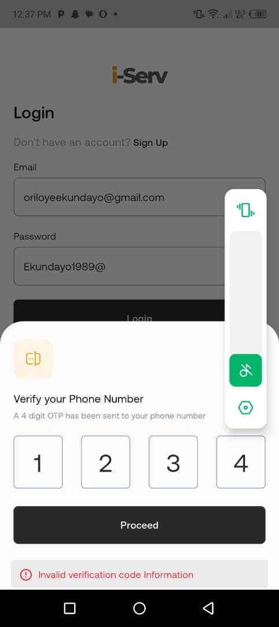 | RESOLVED |  | PASS | Sprint-001
isv 002 | VERIFICATION | There is no Drivers license and Voter's card included as mode of verification | 1. On Verification mode, Click on Mode of verification | There should be Driver's license and voter's card as a mode of verification | There is no Driver's license and voters card as mode of verification | MEDIUM |  | NOT IMPLEMENTED | Drivers License verification & Voter card verification isnt provided by our 3rd party verification provider | PASS
isv 003 | OTP | An error message should be displayed when users input an invalid OTP | 1. Create an account 2. You will be redirected to phone number verification | There should be an error message when users input an incorrect OTP |  | HIGH |  | RESOLVED | currently no message displayed | PASS
isv 004 | UPLOAD ADDRESS VERIFICATION | The place-holder does not have a list of documents accepted for verification, so users can upload any document |  | The place-holder should have a list of documents accepted for verification | The place-holder does not have a list of verification | MEDIUM |  | RESOLVED |  | PASS
isv 005 | UPLOAD ADDRESS VERIFICATION | The write-up "for proof of address verification should be changed from "Address Proof Document" to "Proof of Address Document" |  | The correct message that should be in display is "proof of Address Document" | The write up is wrong | MEDIUM |  | RESOLVED |  | PASS
isv 006 | UPLOAD ADDRESS VERIFICATION | There should be a document preview button where users can see the document they have uploaded in the address Verification Page |  | There should be a document preview button where users can see the document they have uploaded | There is no way of previewing document | MEDIUM |  | RESOLVED |  | PASS
isv 007
isv 008 | VERIFICATION | System shows invalid BVN Informations instead of Invalid BVN |  | The write up message should be "Invalid BVN number" Instead of "Invalid BVN INFORMATIONS" | The system displays INVALID BVN INFORMATIONS | MEDIUM |  | RESOLVED | Requires BE | PASS
isv 009 | VERIFICATION | System shows invalid BVN for a valid BVN Number |  | System should direct users to a another page after they have inptted a valid bvn | It displays Invalid Bvn for a correct BVN | CRITICAL |  | RESOLVED | Requires BE | PASS
isv 010 | FORGOT PASSWORD | Forgot password field page writeup displays " Enter 6 digits Code" instead of "Enter 4 digits Code" | 1. On the login page, click on forgot password 2. You will be redirected to the FORGOT PASSWORD Page | The write up should be " Input 4 digits Code" | There is only 4 digits box for users to input code | MEDIUM |  | RESOLVED |  | PASS
isv 011 | OTP | OTP should be verified before directing user to reset password field | 1. On the login page, click on forgot password 2. You will be redirected to the FORGOT PASSWORD Page, input invalid otp | OTP should be verified before directing to reset password field | Users are redirected to the RESET PASSWORD page before OTP is verified | HIGH |  | OPEN | Requires BE reimplementation for feature | PASS
isv 012 | FAQ | The question" What is the maximum number of appointments that a service provider can have at the same time?" should have the reply"Because we don't want our providers to BE overwhelmed" The word "BE" is missing | 1. Click on profile tab 2. Click on Support 3. Click on FAQ 4. Strolll down | the reply should be = "Because we don't want our providers to BE overwhelmed" | The word "BE" should be included | MEDIUM |  | RESOLVED |  | PASS
isv 013 | SIGN UP | The middle name field should be optional during sign up | 1. On the sign up page | Middle name should be Optional | Inputting middle name is compulsory | HIGH |  | RESOLVED |  | PASS
isv 014 | Log out | If users click on log out, There should be a write-up asking them if they are sure they want to log out | 1. Click on log out |  |  | HIGH |  | RESOLVED |  | PASS
isv 015 | SIGN UP | When users input a phone number that already exists, The error message displayed is USER WITH PHONE (NUMMBER) ALREADY EXISTS instead of USER WITH PHONE NUMBER ALREADY EXISTS | 1. During sign up, Input a phone number you have used for creation of another account 2. Fill in other necessary fields on the sign up page 3. Click on sign up | The error message displayed is USER WITH PHONE NUMMBER ALREADY EXISTS instead of USER WITH PHONE NUMBER ALREADY EXISTS | The spelling of the phone number is incorrect | LOW |  | RESOLVED | Requires BE | PASS
isv 016 | FORGOT PASSWORD | When users use temporary password to login, they are not prompted to change to a new password as stated on the forgot password email write-up |  | They should be able to change to a new password |  | LOW |  | NOT IMPLEMENTED | Requires BE - Remove temporary password functionality from mail since it is not implemented.
isv 017 | Requirements | When both NIN and INT'L PASSPORT has been Approved, the update Document button should be deactivated | 1. Click on Profile 2. Click on Documents | The ACTIVATE DOCUMENT button should be deactivated | The Update Documents button is still active | MEDIUM |  | RESOLVED |  | PASS
isv 018 | Homepage | Search Services is not working | 1. Click on search on the homepage | Users should be able to search for a service that must correspond with the Searched keywaord | When a particular keyword is searched, Another item is displayed | LOW |  | NOT IMPLEMENTED | Currently the search searches for service providers not services. Management need to decide on this
isv 019 | PAYSTACK CHECKOUT | USSD and OPAY payment are not working | 1. Click on Wallet 2. Click on ADD WALLET 3. ADD MONEY 4. Input amount | Users should be able to fund VIA USSD or OPAY | Users cannot fund account VIA USSD or OPAY | CRITICAL |  | NOT IMPLEMENTED | Issue is from paystack and not our systems
isv 020 | PAYSTACK CHECKOUT | When entering amount on wallet funding, there should be a NAIRA symbol | 1. Click on Wallet 2. Click on ADD WALLET 3. ADD MONEY | there should be a NAIRA symbol | There is no naira sign | HIGH |  | RESOLVED |  | PASS
isv 021 | PAYSTACK CHECKOUT | USSD Code generated is not working | 1. Click on Wallet 2. Click on ADD WALLET 3. ADD MONEY 4. Input amount 5. Click on PROCEED 6. Click on PAY WITH USSD 7 | Users should be able to pay via USSD | Users cannot pay VIA the USSD the code generated | CRITICAL |  | NOT IMPLEMENTED | Issue is from paystack and not our systems
isv 022 | PAYSTACK CHECKOUT | CANCEL PAYMENT button keeps displaying PAGE NOT FOUND | 1. Click on Wallet 2. Click on ADD WALLET 3. ADD MONEY 4. Input amount 5. Click on CANCEL PAYMENT | When users click on CANCEL PAYMENT, they should be redirected back to the WALLET PAGE | It keeps showing PAGE NOT FOUND | CRITICAL |  | RESOLVED |  | PASS

isv 024 | USER 01 | During wallet activation , there is no search field to search banks | 1. login as a user 2. click on profile 3. click on wallet 4. click on activate wallet 5. click on bank and try search | user should be able to search from the list of bank instead of scrolling | there is no search field | CRITICAL |  | RESOLVED
 | USER 02 | User can not activate wallet as system says invalid date of birth information | 1.login as a user 2. click on walllet 3. click on activate wallet 4. fill bvn , account number and select valid bank 5. click on submit | user should be able to activate account with valid credentials | system throws invalid date of birth | CRITICAL |  | RESOLVED | User first name, last name and middle name must be valid. Correct DOB and BVN should be inputted. | PASS
isv 025 | USER 03 | User can not search services by name or keyword | 1. login as user 2. try searching for services on the search field | user should be able to search services | user can not search | CRITICAL |  | OPEN
isv 026 | USER 04 | Temporal password on the email for forgot password should be removed , as this is not implemented | 1. click on forgot password on the login page 2. check the mail recieved for temporal password stated on the mail | since the temporal password was not implemented , it should be removed from mail body |  | CRITICAL |  | OPEN | To be implemented by Backend

